2&3.Stock List we choose
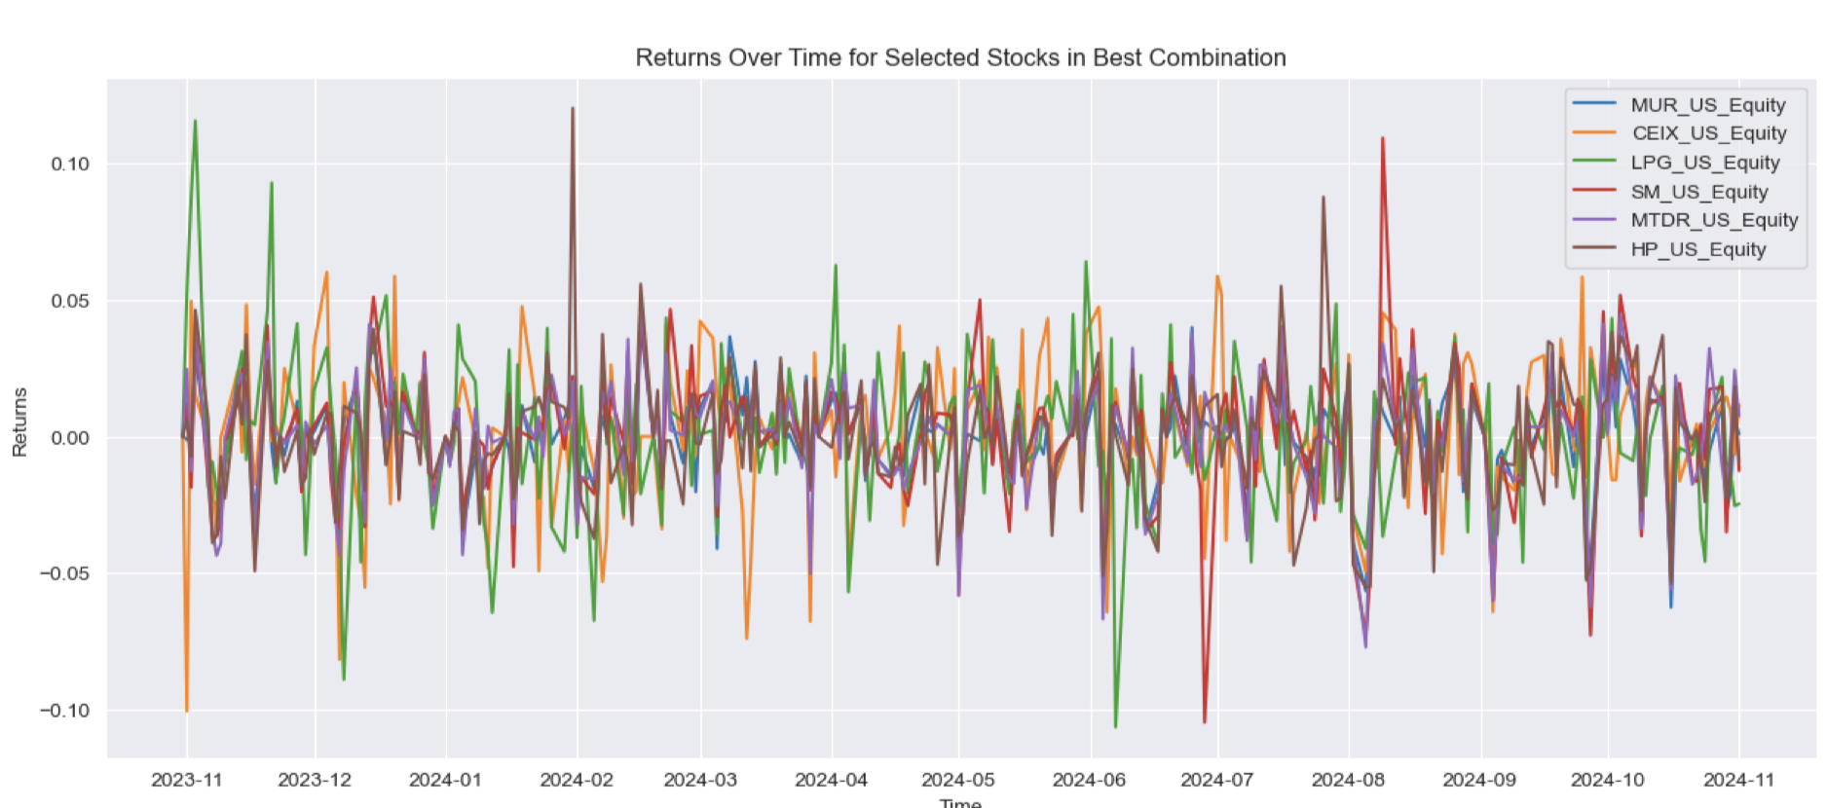
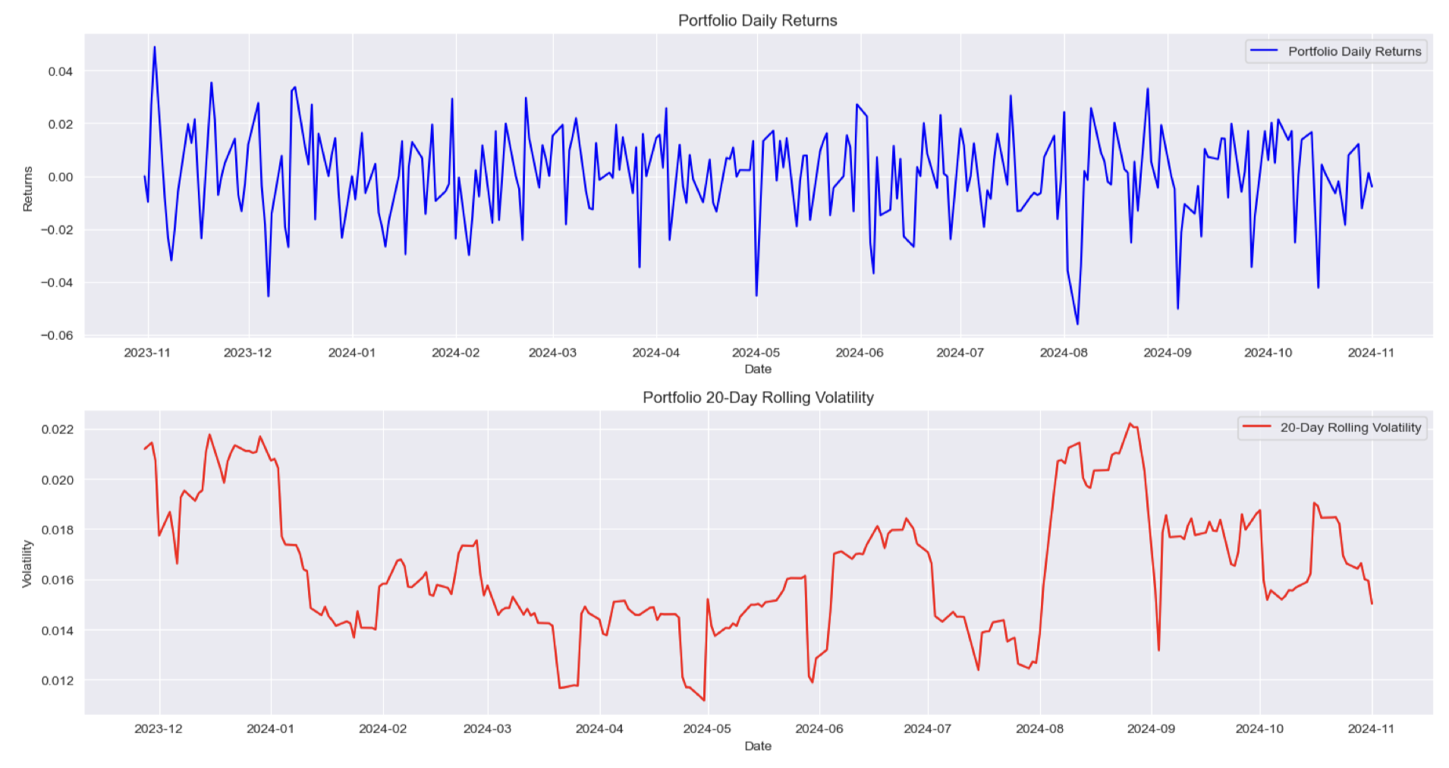
RIC Code | Blommberg Ticker | Company Name | Weight
CPE.N | CEIX US Equity | CONSOL Energy Inc. | 0.27
HLX.N | HP US Equity | Helmerich & Payne, Inc. | 0.12
DINO.N | LPG US Equity | Dorian LPG Ltd. | 0.22
MTDR.N | MTDR US Equity | Matador Resources Company | 0.13
MUR.N | MUR US Equity | Murphy Oil Corporation | 0.14
SWN.N | SM US Equity | SM Energy Company | 0.12

Please refer to the attached Python code for details on the ranking process by metrics and the calculation of weights.

EURCBS5Y-Monthly Prices Change
Euro/US Dollar 5 Year Currency Basis Swap | Price History 14-Nov-2024 22:37

EURCBS5Y=
Interval: Monthly
History Period: 1 Year

EURCBS5Y= Statistics Monthly 1 Year
Price |  |  | Up/Down
High | 15.988 | 30-Nov-2024 | Up | 9
Low | -8.986 | 30-Nov-2023 | Down | 3
Avg (Close) | 1.350 |  | Unch | 0
Avg (High-Low) | 3.501

EURCBS5Y= History Monthly 1 Year
Date | Bid | Ask | Bid-ask spread
2024-11-30 | 15.988 | 19.988 | 4.000
2024-10-31 | 7.834 | 11.834 | 4.000
2024-09-30 | 3.645 | 7.645 | 4.000
2024-08-31 | 3.070 | 7.070 | 4.000
2024-07-31 | 2.985 | 6.985 | 4.000
2024-06-30 | 0.514 | 4.514 | 4.000
2024-05-31 | 4.209 | 8.209 | 4.000
2024-04-30 | 0.329 | 4.329 | 4.000
2024-03-31 | 1.500 | 3.500 | 2.000
2024-02-29 | -1.539 | 2.461 | 4.000
2024-01-31 | -6.659 | -2.659 | -4.000
2023-12-31 | -5.346 | -1.346 | -4.000
2023-11-30 | -8.986 | -4.986 | -4.000

EURCBS5Y Prices Change over Year

EURCBS5Y-Daily Prices Change
Euro/US Dollar 5 Year Currency Basis Swap | Price History 14-Nov-2024 22:42

EURCBS5Y=
Interval: Daily
History Period: 1 Month

EURCBS5Y= Statistics Daily 1 Month
Price |  |  | Up/Down
High | 16.062 | 14-Nov-2024 | Up | 18
Low | 3.960 | 15-Oct-2024 | Down | 5
Avg (Close) | 8.975 |  | Unch | 0
Avg (High-Low) | 10.011

EURCBS5Y= History Daily 1 Month
Date | Bid | Ask | Bid-ask spread
15-Nov-2024 | 15.987 | 19.987 | 4.000
14-Nov-2024 | 16.062 | 20.062 | 4.000
13-Nov-2024 | 13.620 | 17.620 | 4.000
12-Nov-2024 | 13.308 | 17.308 | 4.000
11-Nov-2024 | 11.847 | 15.847 | 4.000
08-Nov-2024 | 11.786 | 15.786 | 4.000
07-Nov-2024 | 10.982 | 14.982 | 4.000
06-Nov-2024 | 8.952 | 12.952 | 4.000
05-Nov-2024 | 7.958 | 11.958 | 4.000
04-Nov-2024 | 8.241 | 12.241 | 4.000
01-Nov-2024 | 8.128 | 12.128 | 4.000
31-Oct-2024 | 7.834 | 11.834 | 4.000
30-Oct-2024 | 7.997 | 11.997 | 4.000
29-Oct-2024 | 7.594 | 11.594 | 4.000
28-Oct-2024 | 7.576 | 11.576 | 4.000
25-Oct-2024 | 7.706 | 11.706 | 4.000
24-Oct-2024 | 7.723 | 11.723 | 4.000
23-Oct-2024 | 7.643 | 11.643 | 4.000
22-Oct-2024 | 7.228 | 11.228 | 4.000
21-Oct-2024 | 6.984 | 10.984 | 4.000
18-Oct-2024 | 6.472 | 10.472 | 4.000
17-Oct-2024 | 5.644 | 9.644 | 4.000
16-Oct-2024 | 4.171 | 8.171 | 4.000
15-Oct-2024 | 3.960 | 7.960 | 4.000

EURCBS5Y Prices Change over Month

USDSB3L10Y-Monthly Changes
US Dollar 10 Year Interest Rate Swap | Price History 14-Nov-2024 22:38

USDSB3L10Y=
Interval: Monthly
History Period: 1 Year

USDSB3L10Y= Statistics Monthly 1 Year
Price |  |  | Up/Down
High | 4.5736 | 30-Apr-2024 | Up | 5
Low | 3.5859 | 30-Sep-2024 | Down | 7
Avg (Close) | 4.0558 |  | Unch | 0
Avg (High-Low) | 4.0798

USDSB3L10Y= History Monthly 1 Year
Date | Bid | Ask | Bid-ask spread
30-Nov-2024 | 4.2200 | 4.2600 | 0.0400
31-Oct-2024 | 4.0454 | 4.0854 | 0.0400
30-Sep-2024 | 3.5859 | 3.6259 | 0.0400
31-Aug-2024 | 3.7095 | 3.7495 | 0.0400
31-Jul-2024 | 3.8674 | 3.9074 | 0.0400
30-Jun-2024 | 4.2478 | 4.2878 | 0.0400
31-May-2024 | 4.3972 | 4.4372 | 0.0400
30-Apr-2024 | 4.5736 | 4.6136 | 0.0400
31-Mar-2024 | 4.1070 | 4.1470 | 0.0400
29-Feb-2024 | 4.1530 | 4.1930 | 0.0400
31-Jan-2024 | 3.8360 | 3.8760 | 0.0400
31-Dec-2023 | 3.7506 | 3.7906 | 0.0400
30-Nov-2023 | 4.2320 | 4.2720 | 0.0400

USDSB3L10Y Daily Prices Change over Year

USDSB3L10Y-Daily Changes
US Dollar 10 Year Interest Rate Swap | Price History 14-Nov-2024 22:44

USDSB3L10Y=
Interval: Daily
History Period: 1 Month

USDSB3L10Y= Statistics Daily 1 Month
Price |  |  | Up/Down
High | 4.2220 | 15-Nov-2024 | Up | 13
Low | 3.8151 | 16-Oct-2024 | Down | 10
Avg (Close) | 4.0537 |  | Unch | 0
Avg (High-Low) | 4.0186

USDSB3L10Y= History Daily 1 Month
Date | Bid | Ask | Bid-ask spread
15-Nov-2024 | 4.2220 | 4.2620 | 0.0400
14-Nov-2024 | 4.2190 | 4.2590 | 0.0400
13-Nov-2024 | 4.2080 | 4.2480 | 0.0400
12-Nov-2024 | 4.1920 | 4.2320 | 0.0400
11-Nov-2024 | 4.0995 | 4.1395 | 0.0400
08-Nov-2024 | 4.1000 | 4.1400 | 0.0400
07-Nov-2024 | 4.1180 | 4.1590 | 0.0410
06-Nov-2024 | 4.1987 | 4.2387 | 0.0400
05-Nov-2024 | 4.0440 | 4.0840 | 0.0400
04-Nov-2024 | 4.0463 | 4.0883 | 0.0420
01-Nov-2024 | 4.1360 | 4.1760 | 0.0400
31-Oct-2024 | 4.0454 | 4.0854 | 0.0400
30-Oct-2024 | 4.0750 | 4.1150 | 0.0400
29-Oct-2024 | 4.0278 | 4.0678 | 0.0400
28-Oct-2024 | 4.0624 | 4.1024 | 0.0400
25-Oct-2024 | 4.0294 | 4.0694 | 0.0400
24-Oct-2024 | 4.0045 | 4.0445 | 0.0400
23-Oct-2024 | 4.0403 | 4.0803 | 0.0400
22-Oct-2024 | 4.0023 | 4.0423 | 0.0400
21-Oct-2024 | 4.0006 | 4.0406 | 0.0400
18-Oct-2024 | 3.8848 | 3.9248 | 0.0400
17-Oct-2024 | 3.8915 | 3.9315 | 0.0400
16-Oct-2024 | 3.8151 | 3.8551 | 0.0400
15-Oct-2024 | 3.8261 | 3.8661 | 0.0400

USDSB3L10Y Daily Prices Change over Month

